0_Instructions
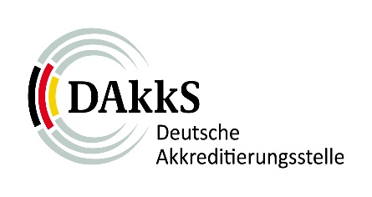 |  | Annual data retrieval for certification bodies for persons | FO-JM_ZP_EN
 |  |  | Version | 1.2
 |  |  | Date | 2022-01-28
 | 1_Information cert. body
 | 2_Overview of locations
 | 3_Overview main certificates
 | 4_Other activities

 | Instructions for filling in:

 | The query of the information is based on the legal basis of §3 AkkStelleG and the IAF-rule MD 12:2016 "Accreditation Assessment of Conformity Assessment Bodies with Activities in Multiple Countries". The queried information/data serves to implement the necessary consideration of the risk in accordance with the requirements of DIN EN ISO/IEC 17011. This is the basis for the planning of the assessment activities in the accreditation cycle for the certification body as well as the concrete planning of the scope of individual assessment activities. The request for information/data is made annually and has to be submitted to the responsible case manager of the DAkkS by 31.03. of the respective year for the previous year. The transmission is made on the basis of the respective current template, which the DAkkS makes available on its website.

