0_Instructions
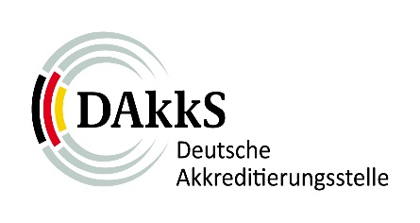 |  | Annual data retrieval for testing laboratories | FO-JM_PL_EN
 |  |  | Version | 1.2
 |  |  | Date | 2022-01-28
 | 1_Information on the laboratory
 | 2_Overview of locations
 | 3_Overview reports
 | 4_Activities abroad

 | Instructions for filling in:

 | The query of the information is based on the legal basis of §3 AkkStelleG. The requested information/data serves to implement the necessary consideration of the risk in accordance with the requirements of DIN EN ISO/IEC 17011. This is the basis for the planning of the assessment activities in the accreditation cycle for the testing laboratory as well as the concrete planning of the scope of individual assessment activities. The request for information/data is made annually and has to be submitted to the responsible case manager of the DAkkS by 31.03. of the respective year for the past year. The transmission is made on the basis of the respective current template, which the DAkkS makes available on its website.

